Beams
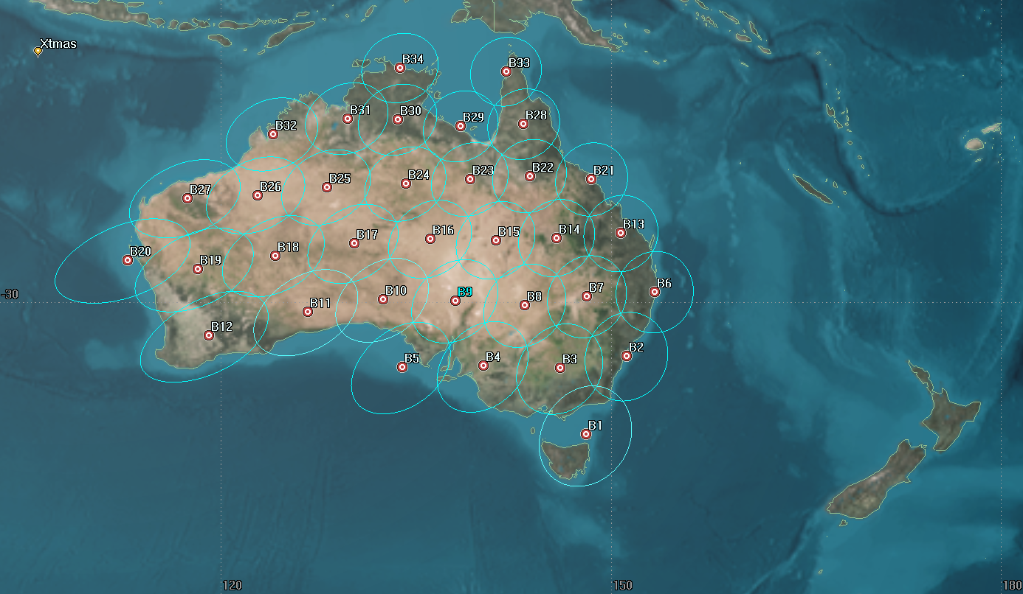
Satellite | Type | Beam No. | Lat | Lat | Diam | Start Epoch | Stop Epoch | Freq Band | Freq Band |  | 34 Ka Beam Pattern for Frequency Re-use (~106 MHz Useful BW per beam, System with 2 Gateways witn 2 GHz BW each)
SAT2 | Ka | X3 | 39.74 | -85.04 | 111,000 | 161200Z JUL 2020 | 230000Z JUL 2020 |  | Y | MOB1
SAT2 | Ka | X2 | 39.44 | -79.42 | 111,000 | 161200Z JUL 2020 | 230000Z JUL 2020 |  | R | DUL
SAT1 | Ka | X3 | 36.7 | -126.3 | 111,000 | 131807Z JUL 2020 | 230000Z JUL 2020 |  | R | SD
SAT2 | Ka | X1 | 36.7 | -126.3 | 111,000 | 161200Z JUL 2020 | 230000Z JUL 2020 |  | O | MOB1
SAT2 | Ka | X6 | 36.58 | -76.2 | 111,000 | 211600Z JUL 2020 | 230000Z JUL 2020 |  | R | MOB1
SAT2 | Ka | X4 | 35.64 | -89.27 | 111,000 | 161200Z JUL 2020 | 171600Z JUL 2020 |  | G | MOB1
SAT2 | Ka | X4 | 34.81 | -86.45 | 111,000 | 170400Z JUL 2020 | 190000Z JUL 2020 |  | G | MOB1
SAT2 | Ka | X4 | 34.81 | -86.45 | 111,000 | 190000Z JUL 2020 | 230000Z JUL 2020 |  | R | MOB1
SAT2 | Ka | X4 | 34.81 | -86.45 | 111,000 | 172000Z JUL 2020 | 190000Z JUL 2020 |  | Y | MOB1
SAT1 | Ka | X2 | 34.8 | -119.35 | 111,000 | 131807Z JUL 2020 | 230000Z JUL 2020 |  | B | SD
SAT2 | Ka | X5 | 32.99 | -79.66 | 111,000 | 211600Z JUL 2020 | 230000Z JUL 2020 |  | B | MOB1
SAT2 | Ka | X6 | 32.78 | -96.95 | 111,000 | 171807Z JUL 2020 | 211600Z JUL 2020 |  | R | MOB1
SAT2 | Ka | X2 | 32.78 | -96.95 | 111,000 | 171807Z JUL 2020 | 211600Z JUL 2020 |  | O | DAL
SAT2 | Ka | X5 | 31.95 | -90.06 | 111,000 | 161200Z JUL 2020 | 171600Z JUL 2020 |  | Y | MOB1
SAT2 | Ka | X5 | 31.32 | -82.8 | 111,000 | 170400Z JUL 2020 | 172000Z JUL 2020 |  | Y | MOB1
SAT2 | Ka | X5 | 31.32 | -82.8 | 111,000 | 172000Z JUL 2020 | 190000Z JUL 2020 |  | Y | MOB1
SAT2 | Ka | X5 | 31.32 | -82.8 | 111,000 | 190000Z JUL 2020 | 211600Z JUL 2020 |  | B | MOB1
SAT1 | Ka | X1 | 28.53 | -81.4 | 111,000 | 131807Z JUL 2020 | 230000Z JUL 2020 |  | Y | ORL | Each Beam approximately 0.9 degrees at 4 dB from Peak
SAT2 | Ka | X1 | 28.53 | -81.4 | 111,000 | 161200Z JUL 2020 | 230000Z JUL 2020 |  | O | ORL

